FormationSplitting
DOI_from_Data
DOI | Authors | Title | Year | Citations | Publication | Publisher | Cite as | Target | Strategy | Vehicle | Powertrain | Case | Platoon size | Validation | Savings [%] | Centralized | Novelty | Notes | Ref | Joining loc | Considerations | Optimization | Test Name | Speed [kph] | Fuel cost | Dest | Speed lim | Hetero | non-CAVs | Aero
https://www.eia.gov/energyexplained/use-of-energy/transportation.php | Energy Information Administration | Use of energy - Transportation | 2022 | - | report | Energy Information Administration | Energy Information Administration (2022). Use of energy - Transportation. Energy Information Administration. https://doi.org/https://www.eia.gov/energyexplained/use-of-energy/transportation.php | Statistics | data | - | - | - | - | - | - | - | - | - | 1
https://www.bts.gov/product/freight-facts-and-figures | Bureau of Transportation Statistics | Freight Facts and Figures | 2023 | - | report | - | Bureau of Transportation Statistics (2023). Freight Facts and Figures. -. https://doi.org/https://www.bts.gov/product/freight-facts-and-figures | Statistics |  |  |  |  |  |  |  |  |  |  | 2
10.1109/9.250509 | Varaiya | Smart cars on smart roads: problems of control | 1993 | 1024 | journal-article | Institute of Electrical and Electronics Engineers (IEEE) | Varaiya (1993). Smart cars on smart roads: problems of control. Institute of Electrical and Electronics Engineers (IEEE). https://doi.org/10.1109/9.250509 | Ontology | - | - | - | platoon merging, splitting | N | - | - | TRUE | definitions of maneuvers and interactions | old paper | 3
10.4271/940421 | Zabatet al. | Drag Measurements on 2, 3 and 4 Car Platoons | Unknown | 28 | proceedings-article | SAE International | Zabatet al. (Unknown). Drag Measurements on 2, 3 and 4 Car Platoons. SAE International. https://doi.org/10.4271/940421 | Aero | Wind tunnel | Sedan type cars | - | following | 2-4 | Wind tunnel |  |  |  |  | 100
10.1109/87.852914 | Rajamaniet al. | Demonstration of integrated longitudinal and lateral control for the operation of automated vehicles in platoons | 2000 | 440 | journal-article | Institute of Electrical and Electronics Engineers (IEEE) | Rajamaniet al. (2000). Demonstration of integrated longitudinal and lateral control for the operation of automated vehicles in platoons. Institute of Electrical and Electronics Engineers (IEEE). https://doi.org/10.1109/87.852914 | Control | Sliding mode control | - | engine pseudo model | merging, splitting | N | Sim | - | - | nonlinear dynamics, small vehicle spacing | - | 100

Charts - Power
Car Energy Consumption [67]
Car Specific Power Sinks
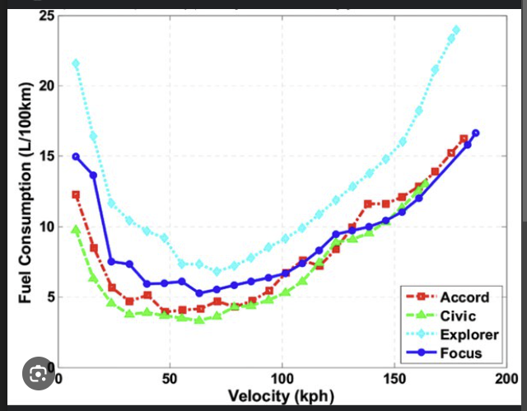
CAR
m | 1800 | kg | Velocity | Constant loss | Driveline | Aero | Rolling | Total | Fuel flow [gal/hr] | Fuel consumption [gal/mi] | Mileage | L/100km
fr0 | 0.008 |  | 5 | 7 | 0.078769185974 | 0.0050590861207 | 0.4412996344 | 7.5251279065 | 0.47778589883 | 0.095557179765 | 10.464938401 | 22.476482038 | 0.0006722923761
fr1 | 0.0001 |  | 10 | 7 | 0.16712850232 | 0.040472688966 | 0.90658882419 | 8.1141900155 | 0.51518666765 | 0.051518666765 | 19.410440192 | 12.117963203 | 0.0049878902131
CD | 0.34 |  | 15 | 7 | 0.27043462846 | 0.13659532526 | 1.3958675694 | 8.8028975231 | 0.55891412845 | 0.037260941897 | 26.837754203 | 8.7643324482 | 0.015517086834
A | 1.6 | m2 | 20 | 7 | 0.39404424383 | 0.32378151173 | 1.90913587 | 9.6269616255 | 0.61123565876 | 0.030561782938 | 32.720604096 | 7.1885897738 | 0.033632783044
nu_driveline | 0.85 |  | 25 | 7 | 0.54331402783 | 0.63238576509 | 2.4463937259 | 10.622093519 | 0.67441863612 | 0.026976745445 | 37.068963788 | 6.3453351798 | 0.059534946098
mu_engine | 0.35 |  | 30 | 7 | 0.72360065989 | 1.0927626021 | 3.0076411373 | 11.824004399 | 0.75073043805 | 0.025024347935 | 39.961081208 | 5.8861019995 | 0.092418994883
energy_fuel | 45 | hp.h/gal | 35 | 7 | 0.94026081943 | 1.7352665394 | 3.592878104 | 13.268405463 | 0.84243844209 | 0.024069669774 | 41.546062301 | 5.6615473759 | 0.13078184445
CD_A | 0.544 | m2 | 40 | 7 | 1.1986511859 | 2.5902520938 | 4.2021046262 | 14.991007906 | 0.95181002577 | 0.023795250644 | 42.025192966 | 5.5969998803 | 0.17278705408
 |  |  | 45 | 7 | 1.5041284387 | 3.688073782 | 4.8353207037 | 17.027522924 | 1.0811125666 | 0.024024723703 | 41.623787743 | 5.6509753858 | 0.21659485049
 |  |  | 50 | 7 | 1.8620492572 | 5.0590861207 | 5.4925263367 | 19.413661715 | 1.2326134422 | 0.024652268844 | 40.564217693 | 5.7985834161 | 0.26059412156
 |  |  | 55 | 7 | 2.2777703209 | 6.7336436267 | 6.173721525 | 22.185135473 | 1.40858003 | 0.025610546 | 39.046414707 | 6.0239845774 | 0.30352050971
 |  |  | 60 | 7 | 2.7566483092 | 8.7421008166 | 6.8789062687 | 25.377655394 | 1.6112797076 | 0.026854661793 | 37.237482554 | 6.3166192737 | 0.34448023983
 |  |  | 65 | 7 | 3.3040399015 | 11.114812207 | 7.6080805678 | 29.026932676 | 1.8429798525 | 0.028353536192 | 35.268969388 | 6.6691770154 | 0.38291376947
 |  |  | 70 | 7 | 3.9253017772 | 13.882132315 | 8.3612444223 | 33.168678515 | 2.1059478422 | 0.030084969174 | 33.239189783 | 7.0764360244 | 0.41853136564
 |  |  | 75 | 7 | 4.6257906158 | 17.074415657 | 9.1383978322 | 37.838604105 | 2.4024510543 | 0.032032680724 | 31.218117791 | 7.5345669965 | 0.45124327551
W/hp | 735.499 | conversion
Truck Energy Consumption [68]
Truck Specific Power Sinks
m/s/mph | 0.44704 | conversion

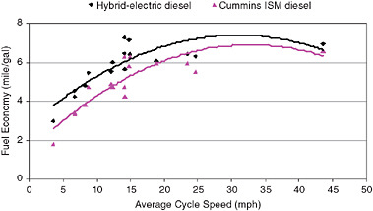
TRUCK
m | 2.40E+04 | kg | Velocity | Constant losses | Driveline | Aero | Rolling | Total | Fuel power [gal/hr] | Fuel consumption [gal/mi]2 | Mileage | L/100km
fr0 | 0.008 |  | 5 | 25 | 0.66013948664 | 0.05726025444 | 5.88 | 31.601394866 | 1.5662553709 | 0.31325107419 | 3.1923274408 | 73.681351416 | 0.0018119533863
fr1 | 0.0001 |  | 10 | 25 | 1.3939925583 | 0.45808203552 | 12.09 | 38.939925583 | 1.9299739093 | 0.19299739093 | 5.1814171953 | 45.395881307 | 0.01176381384
CD | 0.608 |  | 15 | 25 | 2.2397327179 | 1.5460268699 | 18.61 | 47.397327179 | 2.3491468835 | 0.15660979223 | 6.3852967669 | 36.83697228 | 0.032618439939
A | 10.1269 |  | 20 | 25 | 3.2355334685 | 3.6646562842 | 25.46 | 57.355334685 | 2.8426941717 | 0.14213470858 | 7.0355792049 | 33.43221548 | 0.063893904626
nu_driveline | 0.9 |  | 25 | 25 | 4.419568313 | 7.157531805 | 32.62 | 69.19568313 | 3.4295356521 | 0.13718142608 | 7.2896165943 | 32.267129136 | 0.10343899332
mu_engine | 0.4 |  | 30 | 25 | 5.8300107544 | 12.368214959 | 40.10 | 83.300107544 | 4.1285912028 | 0.13761970676 | 7.266401183 | 32.370219325 | 0.14847777901
energy_fuel | 50.441 | hp.h/gal | 35 | 25 | 7.5050342956 | 19.640267273 | 47.91 | 100.05034296 | 4.958780702 | 0.14167944863 | 7.0581867002 | 33.325131509 | 0.19630384757
CD_A | 6.1571552 | m2 | 40 | 25 | 9.4828124395 | 29.317250273 | 56.03 | 119.8281244 | 5.9390240278 | 0.1484756007 | 6.7351133473 | 34.923688418 | 0.24466084587 | x
 |  |  | 45 | 25 | 11.801518689 | 41.742725487 | 64.47 | 143.01518689 | 7.0882410585 | 0.15751646797 | 6.348542555 | 37.050236013 | 0.29187617339
 |  |  | 50 | 25 | 14.499326548 | 57.26025444 | 73.23 | 169.99326548 | 8.4253516721 | 0.16850703344 | 5.9344703872 | 39.635381871 | 0.33683836992
 |  |  | 55 | 25 | 17.614409518 | 76.21339866 | 82.32 | 201.14409518 | 9.9692757468 | 0.18125955903 | 5.5169504182 | 42.634967178 | 0.3788995078
 |  |  | 60 | 25 | 21.184941102 | 98.945719672 | 91.72 | 236.84941102 | 11.738933161 | 0.19564888601 | 5.1111970039 | 46.019552723 | 0.41775793001
 |  |  | 65 | 25 | 25.249094805 | 125.800779 | 101.44 | 277.49094805 | 13.753243792 | 0.21158836603 | 4.7261577692 | 49.768757516 | 0.45335092871
 |  |  | 70 | 25 | 29.845044128 | 157.12213818 | 111.48 | 323.45044128 | 16.031127519 | 0.22901610741 | 4.3665050956 | 53.868023706 | 0.4857688169
 |  |  | 75 | 25 | 35.010962574 | 193.25335874 | 121.85 | 375.10962574 | 18.59150422 | 0.24788672293 | 4.03410069 | 58.306675534 | 0.51519168124

